Screenshots
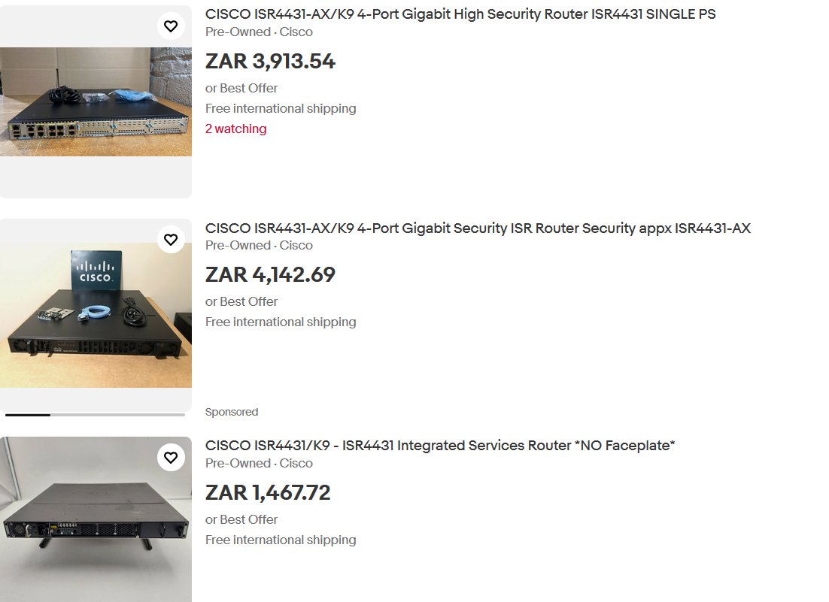
 | Routers |  |  |  | Switches |  | Network Expansion Cards

 |  |  | Cisco 4331 |  |  | 2960-24TT | NIM-ES2-4

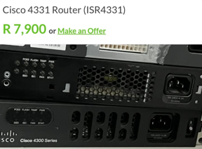
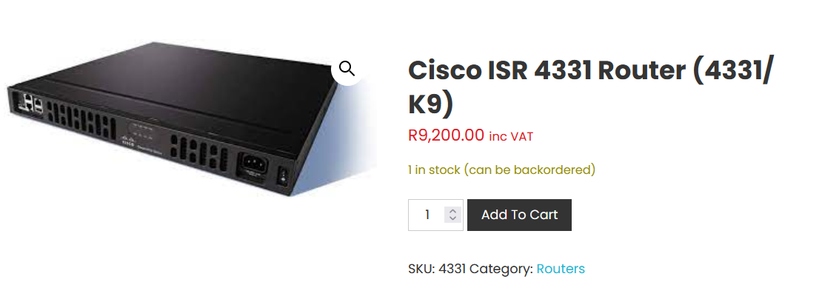
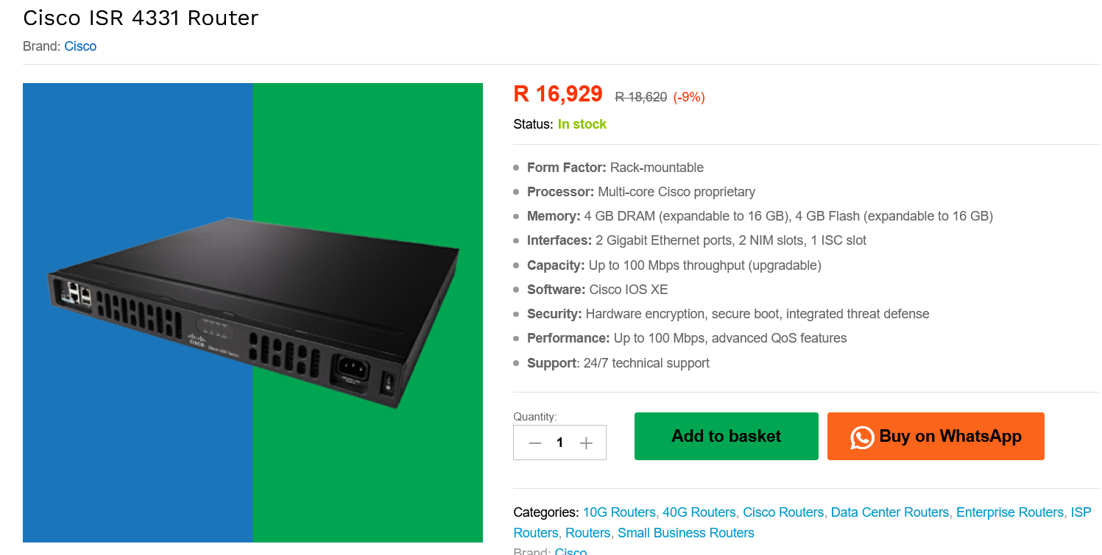
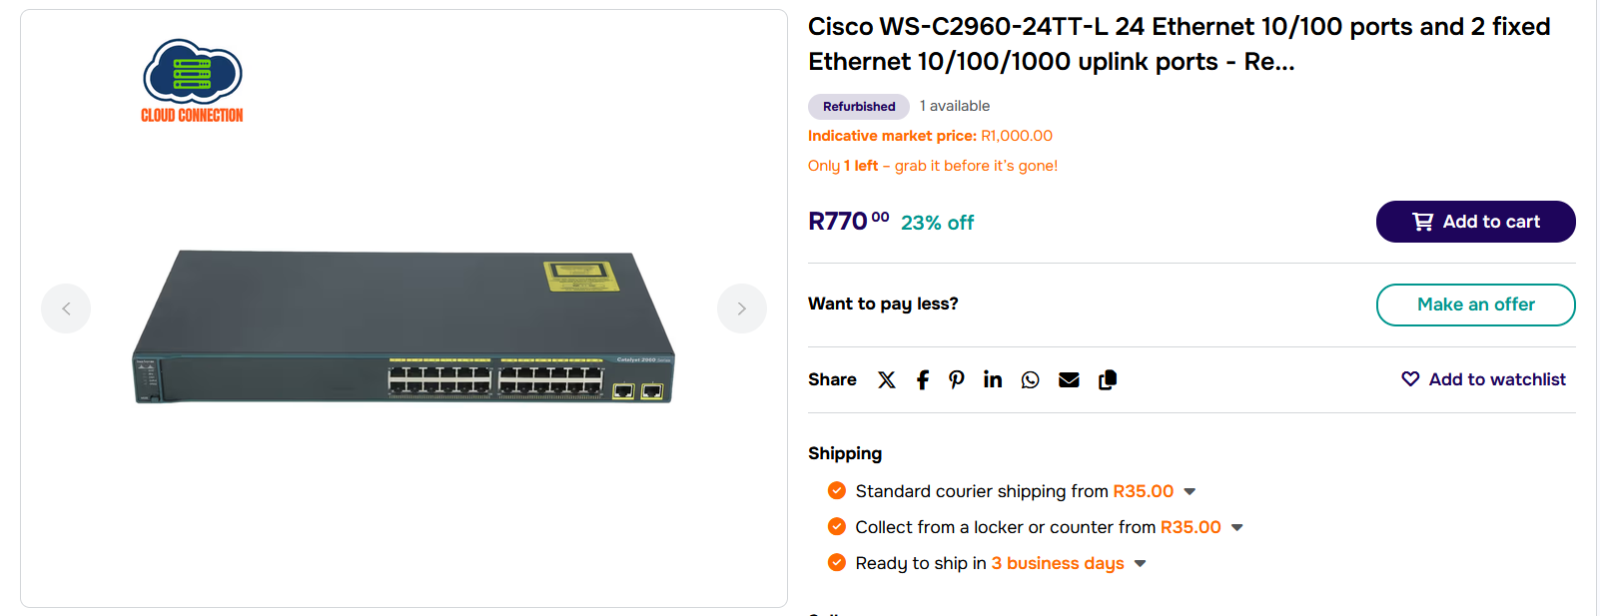
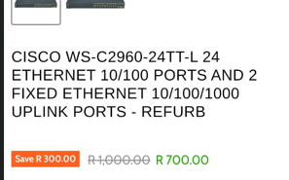

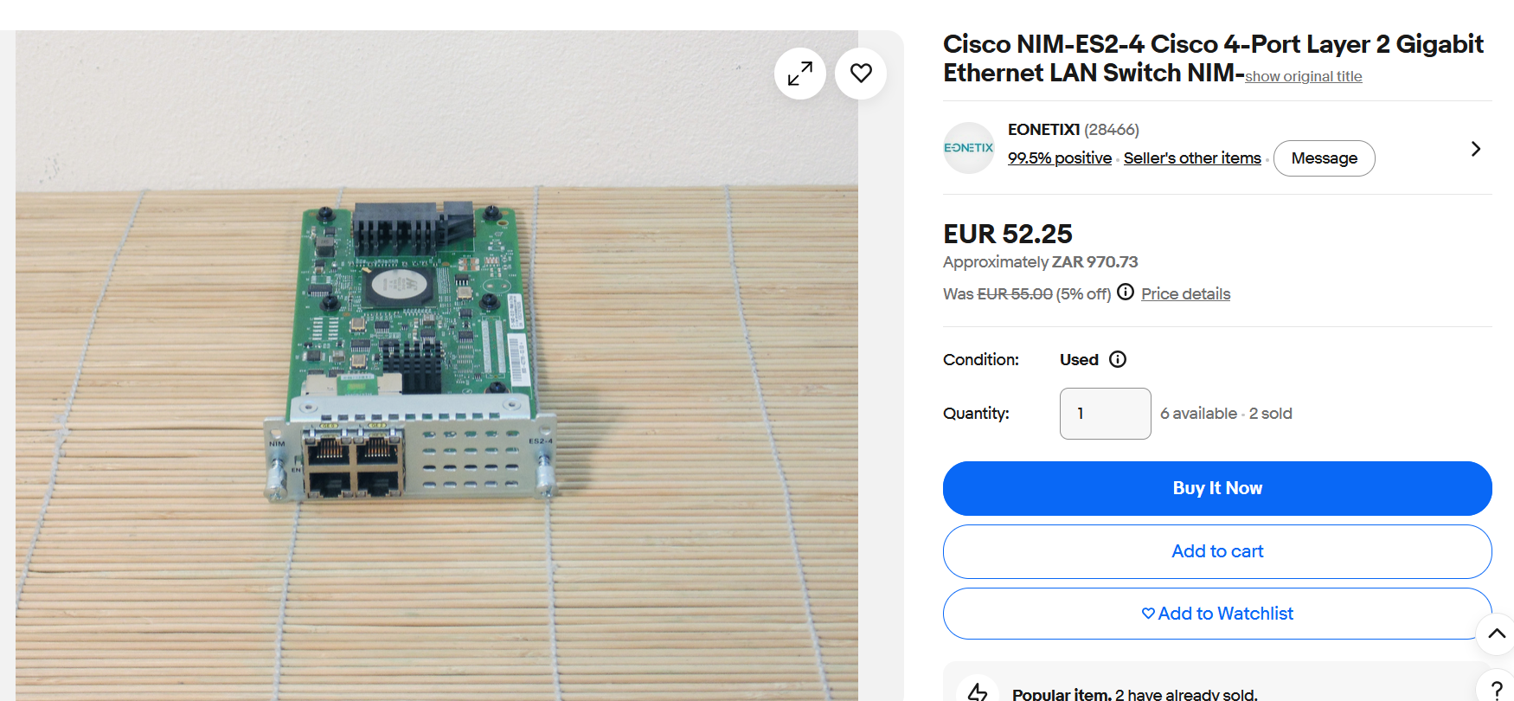
 |  | Cisco 4321

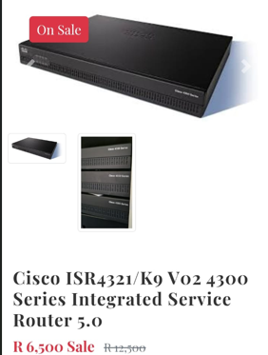
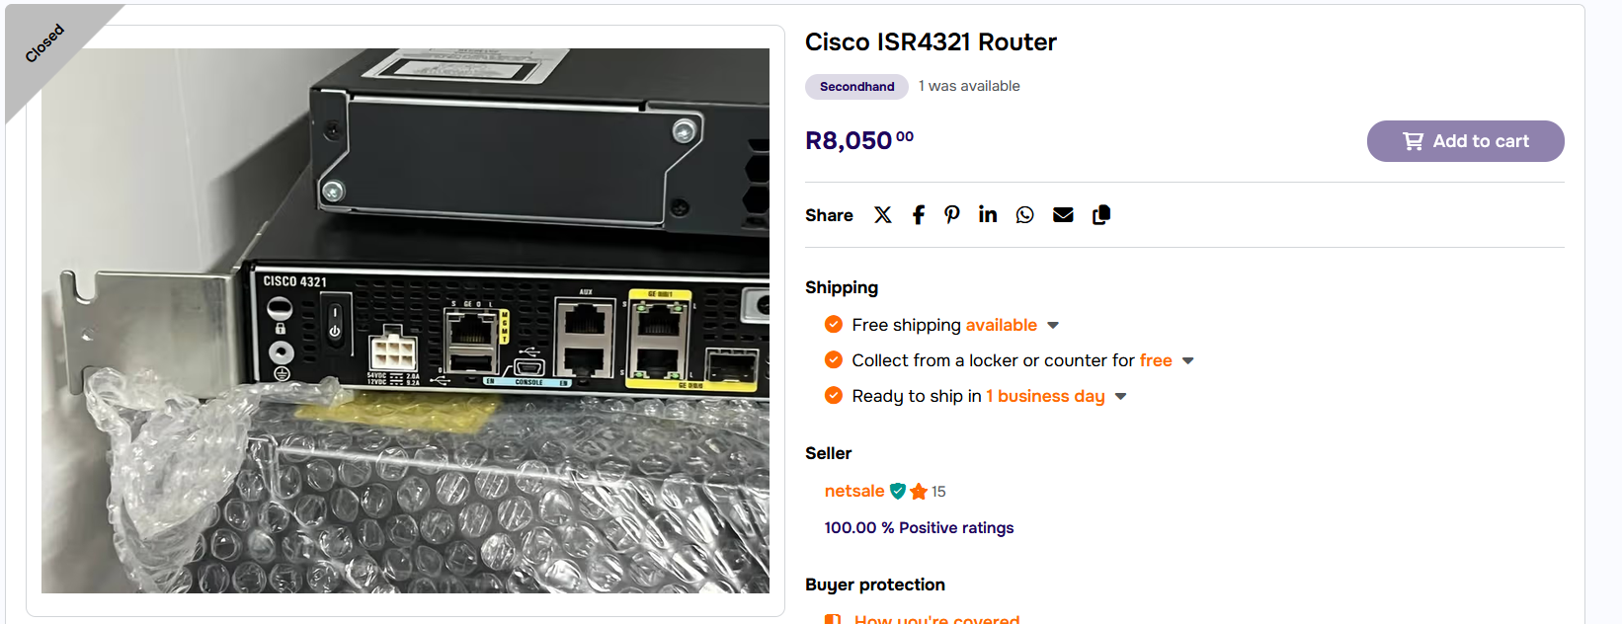

Cisco Catalyst 82000 |  |  |  | Cisco 2911

 |  |  | Cisco 4431 Router

